Task 3
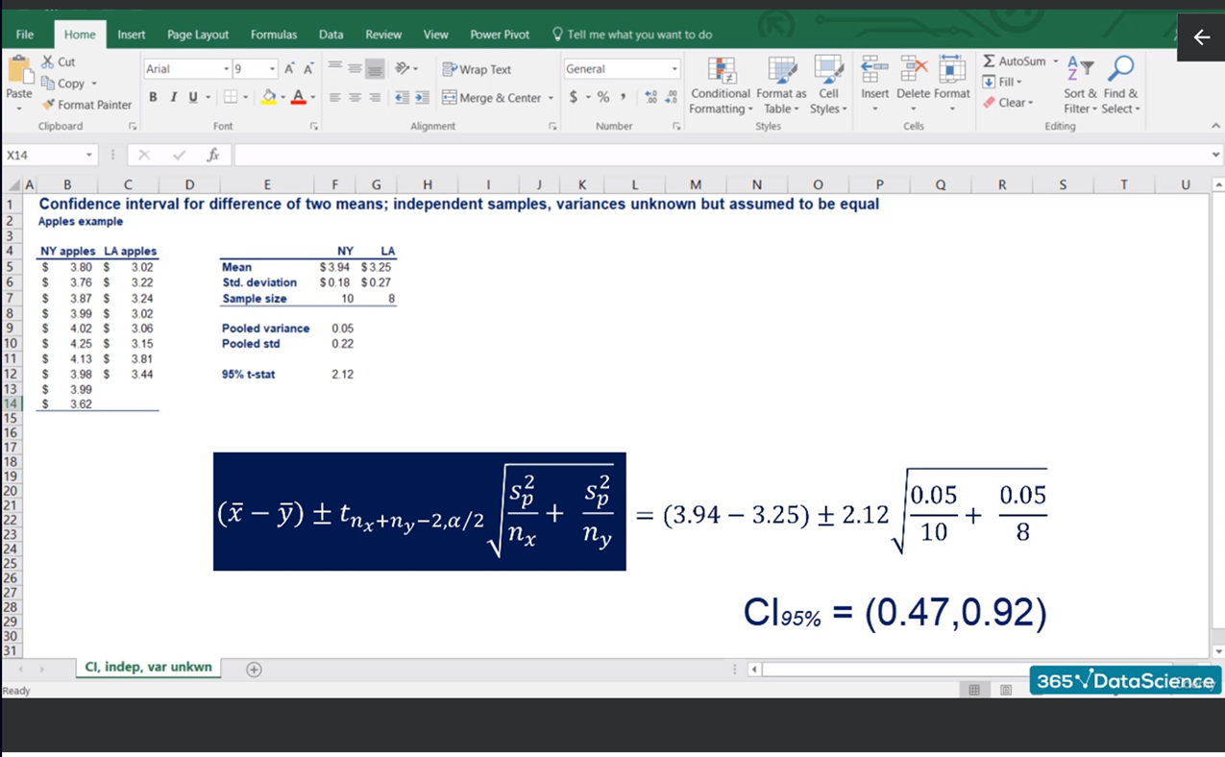
Frequency distribution tables
By size and month

Task 3: Estimate the 90% confidence interval for the same task as the lesson. What changes can you see?

Women shoe sales
 |  |  |  |  |  |  |  |  |  |  |  |  |  |  |  |  |  |  |  |  |  |  |  |  |  |  |  |  |  |  |  | Task 3

 | Germany, GER1 |  |  |  |  |  |  |  |  |  |  |  | Germany, GER2 |  |  |  |  |  |  |  |  |  |  |  | Mean |  | Sample variance |  | Pooled variance | Margin of error |  | 90% CI
US | 1 | 2 | 3 | 4 | 5 | 6 | 7 | 8 | 9 | 10 | 11 | 12 | 1 | 2 | 3 | 4 | 5 | 6 | 7 | 8 | 9 | 10 | 11 | 12 | GER1 | GER2 | GER1 | GER2
4 | 0 | 0 | 0 | 0 | 0 | 0 | 0 | 0 | 0 | 0 | 0 | 0 | 0 | 0 | 0 | 0 | 0 | 0 | 0 | 0 | 0 | 0 | 0 | 0 | 0.00 | 0.00 | 0.00 | 0.00 | 0.00 | 0.00 |  | 0.00 | 0.00
4.5 | 0 | 0 | 0 | 0 | 1 | 3 | 0 | 0 | 0 | 0 | 1 | 0 | 0 | 0 | 0 | 0 | 0 | 0 | 0 | 0 | 0 | 1 | 0 | 0 | 0.42 | 0.08 | 0.81 | 0.08 | 0.45 | 0.47 |  | -0.14 | 0.80
5 | 0 | 0 | 0 | 0 | 0 | 0 | 2 | 0 | 0 | 0 | 0 | 0 | 0 | 0 | 0 | 0 | 0 | 0 | 0 | 2 | 0 | 0 | 0 | 0 | 0.17 | 0.17 | 0.33 | 0.33 | 0.33 | 0.40 |  | -0.40 | 0.40
5.5 | 0 | 0 | 0 | 0 | 0 | 0 | 0 | 0 | 0 | 0 | 1 | 0 | 0 | 0 | 0 | 0 | 0 | 0 | 0 | 1 | 0 | 2 | 0 | 1 | 0.08 | 0.33 | 0.08 | 0.42 | 0.25 | 0.35 |  | -0.60 | 0.10
6 | 0 | 2 | 0 | 0 | 0 | 0 | 0 | 0 | 0 | 0 | 0 | 0 | 0 | 1 | 3 | 1 | 2 | 0 | 0 | 0 | 0 | 0 | 0 | 0 | 0.17 | 0.58 | 0.33 | 0.99 | 0.66 | 0.57 |  | -0.99 | 0.15
6.5 | 3 | 3 | 1 | 2 | 1 | 0 | 2 | 0 | 2 | 1 | 3 | 4 | 2 | 0 | 2 | 1 | 1 | 2 | 0 | 1 | 2 | 1 | 3 | 0 | 1.83 | 1.25 | 1.61 | 0.93 | 1.27 | 0.79 |  | -0.21 | 1.37
7 | 0 | 3 | 3 | 4 | 1 | 0 | 1 | 0 | 2 | 0 | 0 | 1 | 0 | 0 | 0 | 4 | 1 | 3 | 1 | 1 | 1 | 3 | 1 | 4 | 1.25 | 1.58 | 2.02 | 2.27 | 2.14 | 1.03 |  | -1.36 | 0.69
7.5 | 1 | 2 | 4 | 1 | 2 | 6 | 4 | 3 | 5 | 8 | 2 | 1 | 2 | 1 | 1 | 3 | 2 | 7 | 9 | 8 | 14 | 8 | 6 | 3 | 3.25 | 5.33 | 4.93 | 16.06 | 10.50 | 2.27 |  | -4.35 | 0.19
8 | 6 | 10 | 3 | 9 | 1 | 3 | 6 | 8 | 3 | 12 | 3 | 9 | 13 | 6 | 5 | 13 | 5 | 3 | 11 | 6 | 6 | 9 | 8 | 3 | 6.08 | 7.33 | 12.27 | 12.24 | 12.25 | 2.45 |  | -3.70 | 1.20
8.5 | 10 | 10 | 10 | 7 | 14 | 4 | 7 | 7 | 4 | 8 | 7 | 9 | 8 | 5 | 10 | 4 | 5 | 5 | 9 | 7 | 3 | 7 | 9 | 8 | 8.08 | 6.67 | 7.72 | 4.97 | 6.34 | 1.77 |  | -0.35 | 3.18
9 | 1 | 3 | 8 | 6 | 3 | 1 | 4 | 4 | 0 | 2 | 4 | 2 | 5 | 2 | 2 | 9 | 3 | 1 | 1 | 7 | 2 | 1 | 4 | 2 | 3.17 | 3.25 | 5.06 | 6.57 | 5.81 | 1.69 |  | -1.77 | 1.61
9.5 | 4 | 1 | 2 | 1 | 2 | 2 | 2 | 4 | 5 | 2 | 3 | 2 | 0 | 1 | 1 | 0 | 1 | 2 | 2 | 1 | 7 | 2 | 4 | 2 | 2.50 | 1.92 | 1.55 | 3.72 | 2.63 | 1.14 |  | -0.55 | 1.72
10 | 0 | 1 | 1 | 1 | 1 | 1 | 3 | 1 | 0 | 0 | 0 | 1 | 0 | 1 | 1 | 0 | 0 | 0 | 2 | 3 | 0 | 2 | 0 | 0 | 0.83 | 0.75 | 0.70 | 1.11 | 0.91 | 0.67 |  | -0.58 | 0.75
10.5 | 1 | 0 | 0 | 0 | 2 | 2 | 4 | 1 | 0 | 3 | 1 | 1 | 0 | 2 | 0 | 0 | 0 | 1 | 0 | 0 | 0 | 0 | 2 | 1 | 1.25 | 0.50 | 1.66 | 0.64 | 1.15 | 0.75 |  | 0.00 | 1.50
11.5 | 0 | 0 | 0 | 2 | 0 | 0 | 0 | 0 | 0 | 0 | 0 | 0 | 0 | 0 | 5 | 0 | 0 | 0 | 0 | 1 | 0 | 0 | 0 | 0 | 0.17 | 0.50 | 0.33 | 2.09 | 1.21 | 0.77 |  | -1.11 | 0.44
Total | 26 | 35 | 32 | 33 | 28 | 22 | 35 | 28 | 21 | 36 | 25 | 30 | 30 | 19 | 30 | 35 | 20 | 24 | 35 | 38 | 35 | 36 | 37 | 24 |  |  |  |  |  |  |  | -1.07 | 0.94 | Both shops perform about equal

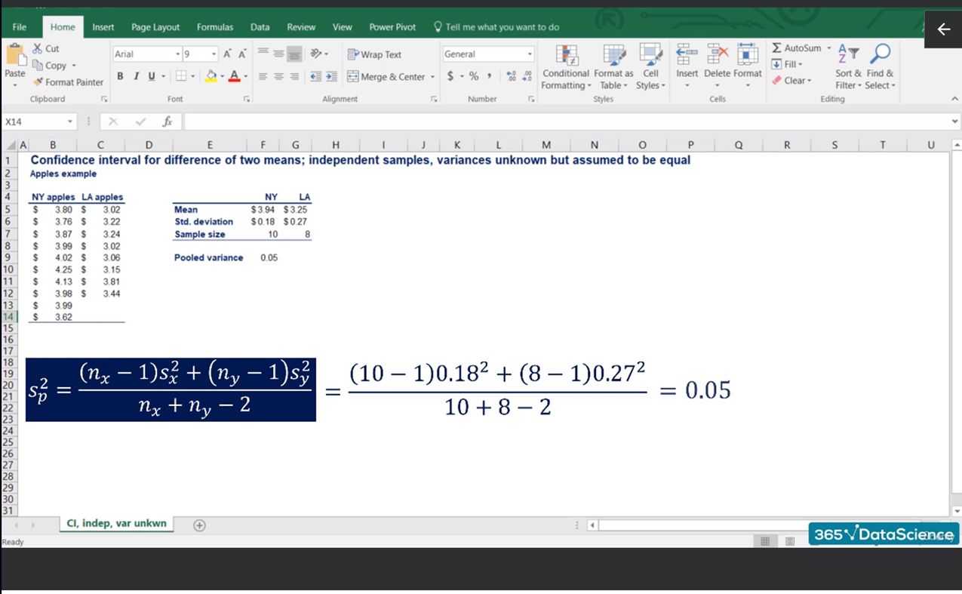
 |  |  |  |  |  |  |  |  |  |  |  |  |  |  |  |  |  |  |  |  |  |  |  |  |  |  |  |  |  |  |  | GER1 | GER2
 |  |  |  |  |  |  |  |  |  |  |  |  |  |  |  |  |  |  |  |  |  |  |  |  |  |  |  |  |  |  | n | 12 | 12
 |  |  |  |  |  |  |  |  |  |  |  |  |  |  |  |  |  |  |  |  |  |  |  |  |  |  |  |  |  |  |  | t22, 0.05 | 1.72

